Invoice
 | Lizpa Landscaping, Inc.

 | Bill To: | Oakland Village C/O Sentry Management Inc. | Phone: | 407-788-6700 ext 51209 | Invoice #: | 1662
 | Address: | 2180 W. State Rd. 434 Suite 5000 Longwood, FL 32779 | Fax: | 407-788-7488
 | Service Address: | Oakland Village 515 Ramsdell Ave Altamonte Springs, FL 32714 | Email: | canderson@sentrymgt.com | Invoice Date: | 2025-07-01

 | Qty | Description |  |  |  | Price

 |  | Cleanup and removal of tree in attached pictures |  |  |  | $400.00
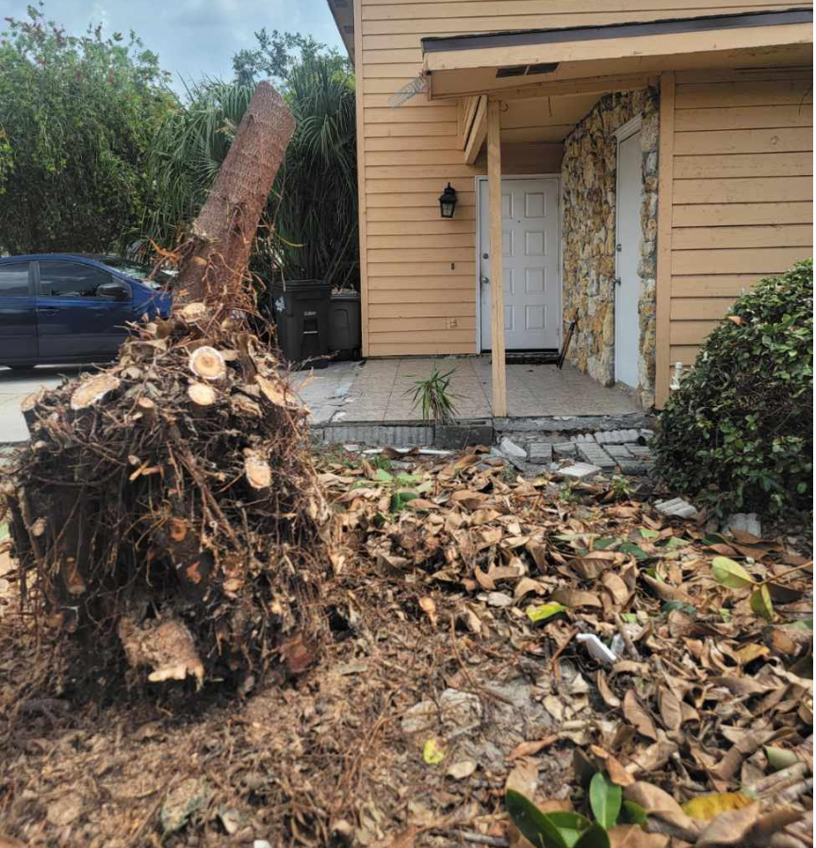
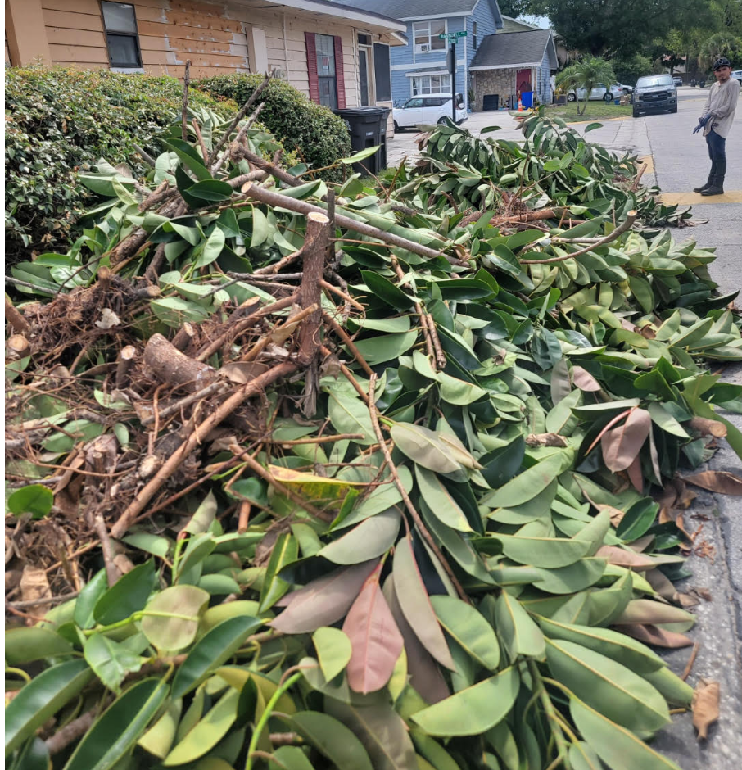

 | Make all checks payable to Lizpa Landscaping, Inc.
 | Thank you for your business!! |  |  |  | TOTAL | $400.00

